Application Screen
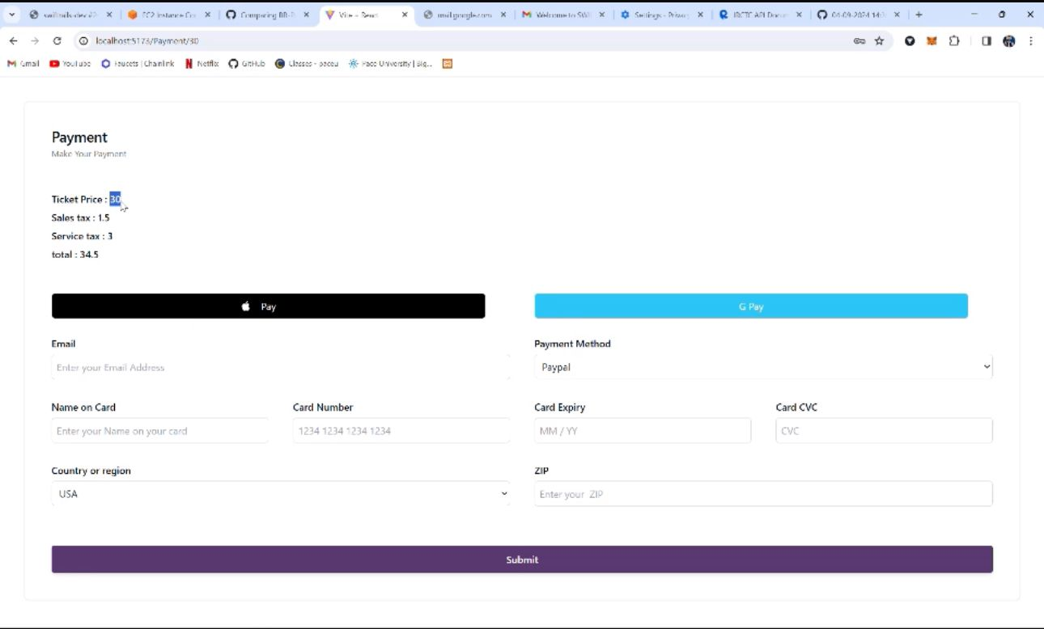
Owner | Vaishnavi
Contributor | Koushik
Peer Reviewer | Dipesh

